Sheet1
The manufacturer accuracy must be demonstrated.
± 0.5 % of Reading over full range listed on rating plate
TG10 Calibration Example
Nominal Flow Rate (ltr/h) | Tol - 0.5% (ltr/hr) | Tol +0.5% (ltr/hr) | Measurement Error (%) | Measured Flow Rate (ltr/h) | Nominal Calibration Volume (ltr) | Measured Calibration Volume (ltr)
4 | 3.98 | 4.02 | -0.04 | 3.9984 | 10 | 9.996
250 | 248.75 | 251.25 | 0.17 | 250.425 | 30 | 30.051
460 | 457.7 | 462.3 | 0.17 | 460.782 | 850 | 851.445
1100 | 1094.5 | 1105.5 | 0.09 | 1100.99 | 1840 | 1841.656
1300 | 1293.5 | 1306.5 | -0.15 | 1298.05 | 110 | 109.835

TG3 Calibration Example
Nominal Flow Rate (ltr/h) | Tol - 0.5% (ltr/hr) | Tol +0.5% (ltr/hr) | Measurement Error (%) | Measured Flow Rate (ltr/h) | Nominal Calibration Volume (ltr) | Measured Calibration Volume (ltr)
4 | 3.98 | 4.02 | -0.04 | 3.9984 | 10 | 9.996
250 | 248.75 | 251.25 | 0.17 | 250.425 | 30 | 30.051
460 | 457.7 | 462.3 | 0.17 | 460.782 | 850 | 851.445
900 | 895.5 | 904.5 | 0.09 | 900.81 | 1500 | 1501.35
1100 | 1094.5 | 1105.5 | -0.15 | 1098.35 | 110 | 109.835

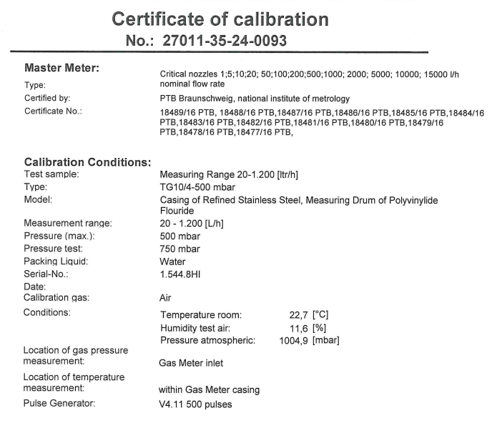

The required HPLI setting must be stated on the calibration documentation

